Dimension_Property
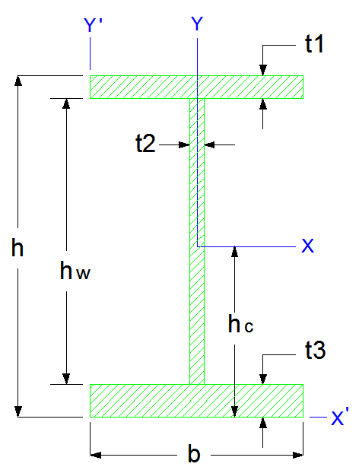
شرکت ابرسازه های عماد |  |  |  |  |  | [ X ] |  |  | [ Y ]
EMAD HYPER STRUCTURES CO. |  |  | INPUT | ورودی |  | I_x = | 2.83333E+08 | (mm4) | I_y = | 5.21265E+07 | (mm4)
 |  |  | t1 = | 20.0 | (mm) | I_x = | 28,333.3 | (cm4) | I_y = | 5,212.7 | (cm4)
 |  |  | t2 = | 12.0 | (mm) | I_x = | 2.83E-04 | (m4) | I_y = | 5.21E-05 | (m4)
 |  |  | t3 = | 20.0 | (mm) | r_x = | 144.3 | (mm) | r_y = | 61.9 | (mm)
 |  |  | b = | 250.0 | (mm) | r_x = | 14.4 | (cm) | r_y = | 6.2 | (cm)
 |  |  | h = | 340.0 | (mm) | S_x = | 1.66667E+06 | (mm3) | S_y = | 4.17012E+05 | (mm3)
 |  |  | Density = | 7860.0 | (kg/m3) | S_x = | 1.66667E+03 | (cm3) | S_y = | 4.17012E+02 | (cm3)
 |  |  |  |  |  | [ X ' ] |  |  | [ Y ' ]
 |  |  | OUTPUT | خروجی هندسی |  | I_x' = | 6.76373E+08 | (mm4) | I_y' = | 2.64627E+08 | (mm4)
 |  |  | hw = | 300.0 | (mm) | I_x' = | 6.76373E+04 | (cm4) | I_y' = | 2.64627E+04 | (cm4)
 |  |  | Section Area = | 13,600.0 | (mm2) | r_x' = | 223.0 | (mm) | r_y' = | 139.5 | (mm)
 |  |  | Section Area = | 136.0 | (cm2) | S_x' = | 1.98933E+06 | (mm3) | S_y' = | 1.05851E+06 | (mm3)
 |  |  | h_Center = | 170.0 | (mm) | S_x' = | 1.98933E+03 | (cm3) | S_y' = | 1.05851E+03 | (cm3)
 |  |  | h_Center = | 17.0 | (cm) | X |  |  | Y
 |  |  | G = | 106.9 | (kg/m) | I_Flange_x_10 | 1.66667E+05 | (mm4) | I_Flange_y_10 | 2.60417E+07 | (mm4)
 |  |  | Flange Area_1 | 5,000.0 | (mm2) | I_Flange_x_20 | 1.66667E+05 | (mm4) | I_Flange_y_20 | 2.60417E+07 | (mm4)
 |  |  | Flange Area_2 | 5,000.0 | (mm2) | I_Web_x_30 | 2.70000E+07 | (mm4) | I_Web_y_30 | 4.32000E+04 | (mm4)
 |  |  | Web Area | 3,600.0 | (mm2) | I_Flange_x_11 | 1.28000E+08 | (mm4)
 |  |  | I_x / I_y = | 5.4 |  | I_Flange_x_21 | 1.28000E+08 | (mm4)
 |  |  | I_x' / I_y' = | 2.6 |  | I_Web_x_31 | 0.00000E+00 | (mm4)
 |  |  |  |  |  | I_Flange_x'_11 | 5.44500E+08 | (mm4) | I_Flange_y'_11 | 7.81250E+07 | (mm4)
 |  |  |  |  |  | I_Flange_x'_21 | 5.00000E+05 | (mm4) | I_Flange_y'_21 | 7.81250E+07 | (mm4)
 |  |  |  |  |  | I_Web_x'_31 | 1.04040E+08 | (mm4) | I_Web_y'_31 | 5.62500E+07 | (mm4)

www.EHSCO.IR | Email: info@ehsco.ir | B.HOSSEINPOUR |  | Mobile: +98 914.118.7430 |  | Telegram: +98 933. 628. 7948 |  |  | Email: b_hosseinpour2003@yahoo.com

